0424
 | Loyout Notes | Schematic | References
1 | Please refer to the A00.CONFIG page for the tester configuration. | 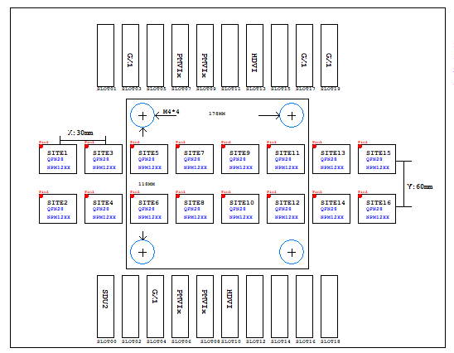
2 | Please refer to GRIFFI power width.xlsx for the widths of all traces.
3 | Please refer to 980NC-GRIFFI-1C4-A10_Equallength_20260427_V2.xlsx for the net equal length.
4 | Please refer to T99.Assign Rule for the Power, Signal, and CBIT rules.
5 | All test points can be adjusted based on the fan-out routing sequence; however, the positions must be consistent across all odd sites and identical across all even sites.
6 | The Power and Channel fan-outs at the DUT positions must be identical for all odd sites and identical for all even sites.
7 | 1. All shorter components should be placed in proximity to the DUT/Relays according to the power flow. 2. All shorter component pins can be placed on their respective power plane layers and connected to the first via fan-out of the power supply of the device under test, with a trace width of 50 ohms. | 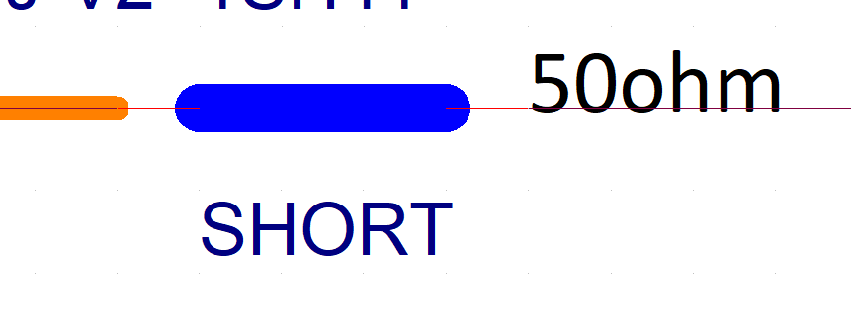 | 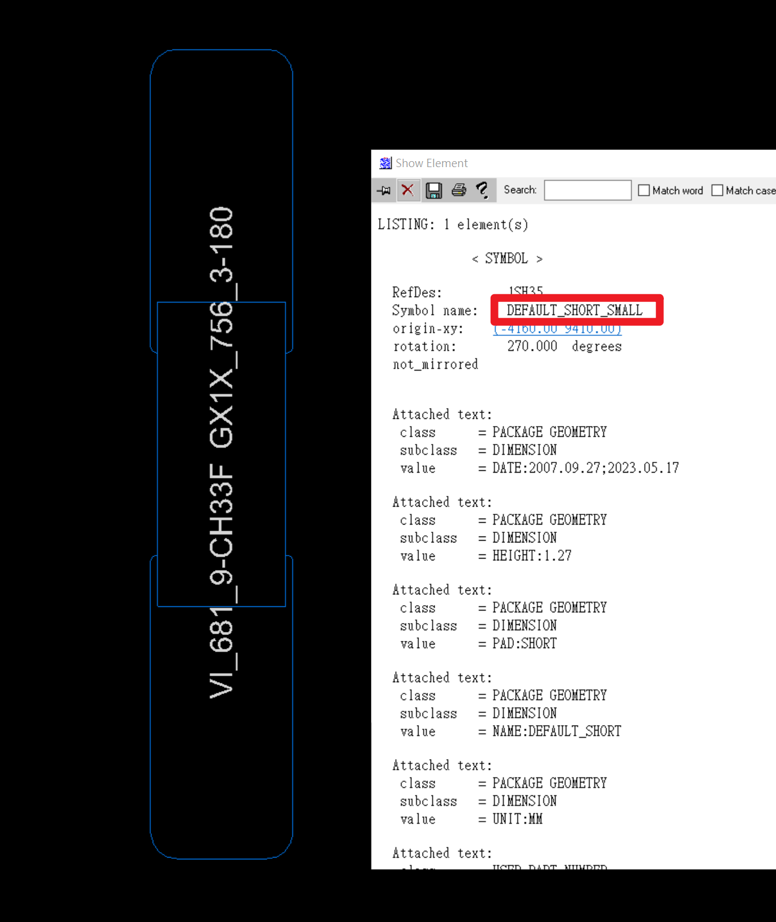 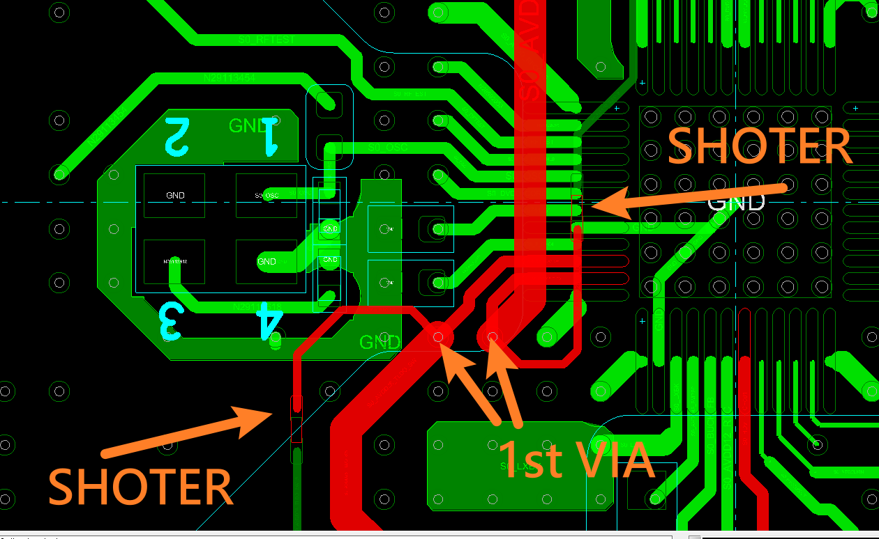
8 | For CBIT signals, please use a trace width of 8 mil on internal layers and 10 mil on surface layers. Additionally, CBIT signals should be concentrated on layer L16_CBIT as much as possible.
9 | Please calculate the required number of vias based on a 12 mil drill size supporting 1A of current. For a 1A current requirement, please use two 12 mil vias.
10 | The same signal for each site must be routed on the same layer. For example, if the S1_VBAT_F power for SITE1 is routed on L07, then the S_VBAT_F* for all other sites must also be on L07.
11 | Top-layer fan-out lengths on the DUT side should be minimized
12 | Surface layer traces are only suitable for short connections; long routing (e.g., thousands or tens of thousands of mils) is strictly prohibited.
13 | Please route User Power on layers L15_User and L16_CBIT as much as possible. Examples include: SDUP5V1, USER_12V, USER_-5V, +15V, RLY_5V, -15V, etc. | 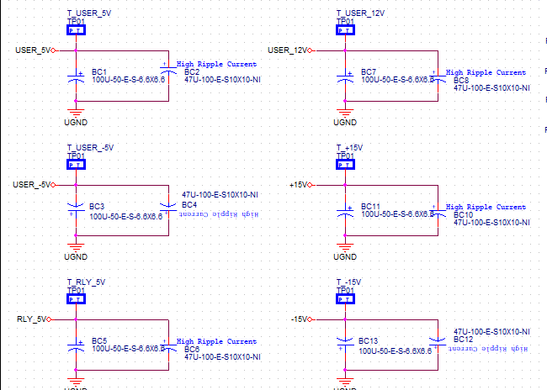
14 | According to the 10mil tab in the GRIFFI power width.xlsx file, specific HDVI traces are to be routed on layer L12. This ensures the designated signals follow the specified PCB layout constraints for optimal performance.
15 | Please route signals S*_nPG / ATB1_F and S*_nCHG / ATB0_F on the TOP layer.
16 | S*_nPG / ATB1_F and S*_nCHG / ATB0_F needs nine times gap with other strips
17 | Please refer to the 10mil page in GRIFFI power width.xlsx. Ensure that specific HDVI traces maintain a 3W spacing (three times the trace width) from other signals.
18 | "For even-numbered sites, the routing sequence of *K10, *K11, and *K12 must strictly follow: *K10 -> *K12 -> *K11. | 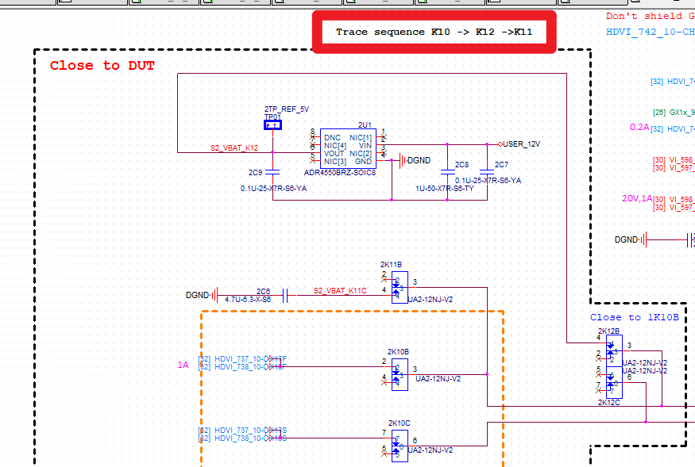
19 | The POWER and Channel contact points are specified by the customer.

